Instructions

 |  | Deadline
 |  | 2016-05-20

Distributor Performance Dashboard Survey
Please report the most recently completed full 12 month fiscal year.

Please follow these simply instructions:
- | Do not modify the structure of this workbook. Do not insert rows or move cells.
- | Do not leave cells empty if the answer is "no" or zero.
- | Reasonable estimates are encouraged
- | Leave blanks only if not applicable or estimates not available

 | Use the Data Check and Upload tab to review your accuracy then submit the survey.

 | Questions or Suggestions: Email or call Molly Mullins
 | mmullins@nahad.org or 410-940-6340

Data Check and Upload
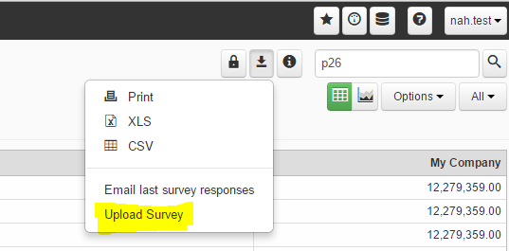
Thank you for entering your data. Any highlighted areas below may indicate an error with your input. Please review and/or correct your input for these data points.
Once reviewed, follow the survey upload instructions below.

#DIV/0!
 | Sales | Gross profit | Your Results | unusually high | unusually low
 | - | - | #DIV/0! | 40.0% | 30.0%

#DIV/0!
 | Sales | Total Payroll | Your Results | unusually high | unusually low
 | - | - | #DIV/0! | 27.0% | 18.0%

Sales details | Sales | % of sales per customer acceptance | % of sales per channel
 | - | 0% | 0%
 |  | see the Sales Insights tab | see the Sales Insights tab
Balance sheet | Total Assets | Liabilities and Equity
 | 0.00 | 0.00

#DIV/0!
 | Warehouse sales | Warehouse sales gross margin | average inventory | inventory turnover | unusually high | unusually low
 | - | #DIV/0! | 0.00 | #DIV/0! | 4.50 | 2.70

#DIV/0!
 | Sales | number of customers | your sales per customer | unusually high | unusually low
 | - | - | #DIV/0! | 30,000 | 10,000

#DIV/0!
 | Sales | number of employees | your sales per employee | unusually high | unusually low
 | - | - | #DIV/0! | 425,000 | 250,000

Data Upload Directions:
Step 1

Save your file then login to DPD at
http://dpa.phocas.biz/phocas/Security/SignIn
and enter your nah.XXX user name and password

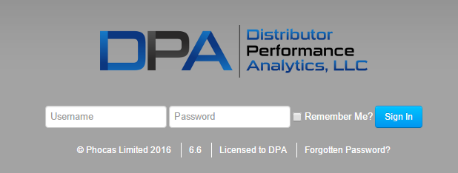

Step 2

Select the Association Survey option
under Databases

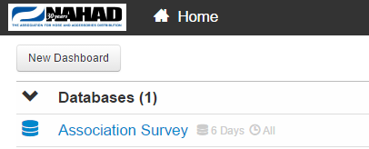

Step 3

Select the Export down arrow at the upper right portion
of the Association Survey window,
and select Upload Survey

access last year's input
If you completed a survey last year, you can see those responses by following the directions below.

Step 1

Visit the DPD login and enter your
har.XXX user name and password
http://dpa.phocas.biz/phocas/Security/SignIn

Step 2

Select the Association Survey option
under Databases

Step 3

Select the Export down arrow at the upper right portion Association Survey window,
and select E-mail last survey responses

