PIVOT1
 | No | Required Yes
Inspection 1: Team Member | 9
Inspection 1: Team Member, Inventory 1: Basic | 88 | 51
Inspection 2: Team Leader | 243 | 27
Inspection 3: Program Manager | 2
Inventory 2: Advanced | 72 | 23
Inventory 4: Central Office | 25 | 38
Count of ID | Column Labels
Row Labels | No | Required Yes | Grand Total
Inspection 1: Team Member | 9 |  | 9
Inspection 1: Team Member, Inventory 1: Basic | 88 | 51 | 139
Inspection 2: Team Leader | 243 | 27 | 270
Inspection 3: Program Manager | 2 |  | 2
Inventory 2: Advanced | 72 | 23 | 95
Inventory 4: Central Office | 25 | 38 | 63
Grand Total | 439 | 139 | 578

Screenshots to Make Updates
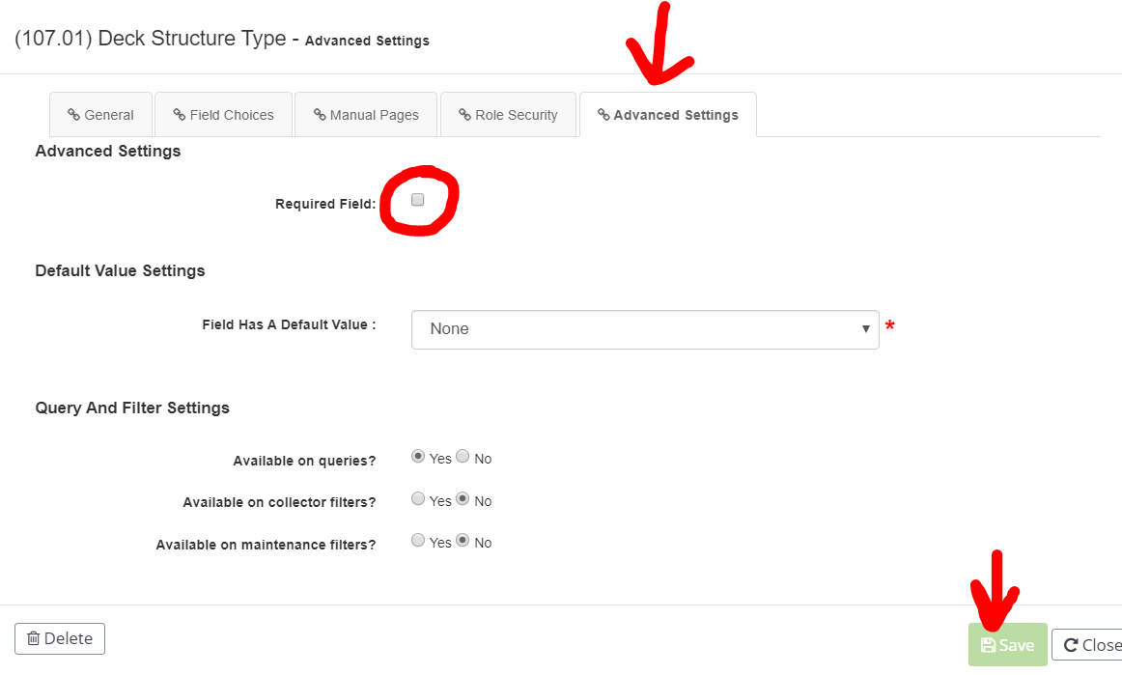
1. Role Security Per Field:
 | Admin>Site Confi>Manage Asset and Report Settings
 | Asset and Report Settings : Report Fields
 | Edit Pencil next to each field
 | Role Security Tab
 | Full Control to Everyone above minimum established
 | Else read only
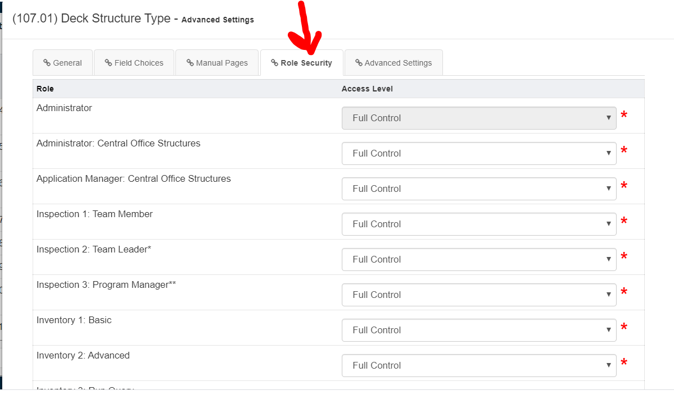

2. Required Field
 | Same Location
 | Advanced Settings Tab

Role List
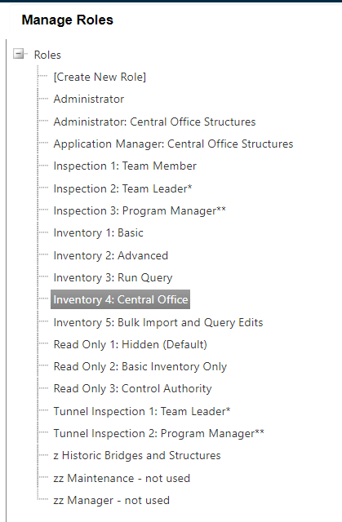

Roles | Update-able | Active Inventory
 | Yes | Yes
Administrator | No | No
Administrator: Central Office Structures | ? | Depends
Application Manager: Central Office Structures |  | First Inspection
Inspection 1: Team Leader
Inspection 2: Team Leader
Inspection 3: Program Manager
Inventory 1: Basic
Inventory 2: Advanced
Inventory 3: Run Query
Inventory 4: Central Office Structures
Inventory 5: Bulk Import and Query Edits
Read Onlt 1: Hidden
Read Only 2: Basic Inventory Only
Read Only 3: Control Authority
Tunnel Inspection 1: Team Leader
Tunnel Inspection 2: Program Manager
Z Hisatoric Bridges and Structures

